Info
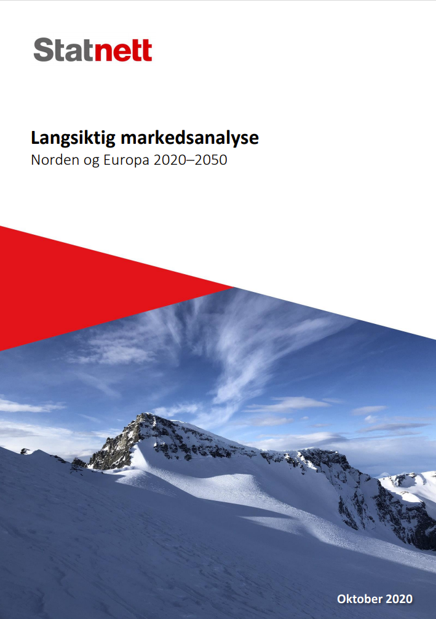

This excel sheet is a supplement to our Long Term Market Analysis 2020. Click on the image to get to the full report (in norwegian).

Click here to get to the exectutive summary in english

We have chosen to limit ourselves to show a few tables of fuel and CO2 prices, demand, production and power prices. For more information, explainations and analysis, please see the full report.

For questions please contact:
Anders Kringstad

Go to:
Fuel and CO2 prices
Demand and Production Europe
Demand and Production Nordics
Norwegian Demand Scenarios
Power Prices, Europe
Power Prices, Nordics

Fuel and CO2 prices
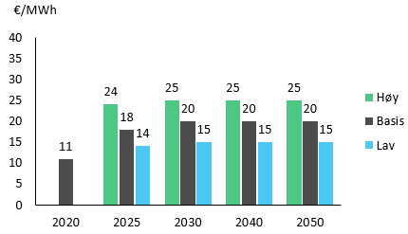
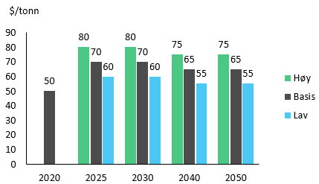
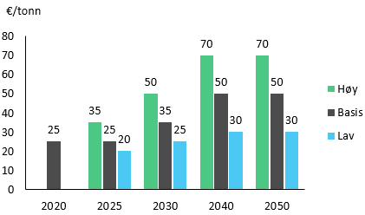
Fuel and CO2 prices
LMA 2018 and LMA 2020

 |  | 2018 |  |  | 2025 |  |  | 2030 |  |  | 2040
 |  | Base Case | Real 2018 | Low | Base Case | High | Low | Base Case | High | Low | Base Case | High
LMA 2018 | Gas | 25 | €/MWh | 15 | 20 | 25 | 15 | 20 | 25 | 15 | 20 | 25
 | Coal | 95 | $/ton | 60 | 75 | 95 | 55 | 70 | 95 | 55 | 70 | 95
 | CO2 EU ETS | 20 | €/ton | 15 | 25 | 35 | 15 | 30 | 50 | 15 | 35 | 50
 | CO2 UK | 40 | €/ton | 22 | 30 | 39 | 15 | 30 | 50 | 15 | 35 | 50

 |  | 2020 |  |  | 2025 |  |  | 2030 |  |  | 2040 |  |  | 2050
 |  | Base Case | Real 2018 | Low | Base Case | High | Low | Base Case | High | Low | Base Case | High | Low | Base Case | High
LMA 2020 | Gas | 11 | €/MWh | 15 | 18 | 25 | 15 | 20 | 25 | 15 | 20 | 25 | 15 | 20 | 25
 | Coal | 50 | $/ton | 60 | 70 | 80 | 60 | 70 | 80 | 55 | 65 | 75 | 55 | 65 | 75
 | CO2 EU ETS | 25 | €/ton | 20 | 25 | 35 | 25 | 35 | 50 | 30 | 50 | 70 | 30 | 50 | 70
 | CO2 UK | 45 | €/ton | 40 | 45 | 55 | 25 | 35 | 50 | 30 | 50 | 70 | 30 | 50 | 70

 |  | Gas |  |  |  |  |  | Coal |  |  |  |  |  | EU ETS

Power prices Europe
 | Average prices
 | LMA 2020
 | Real 2020 €/MWh

 |  |  |  |  |  |  | Velg område:
 |  | 2020 | 2025 | 2030 | 2040 | 2050 | Germany
Austria | Base Case | 32 | 36 | 43 | 44 | 41
Austria | High |  |  | 57 | 58 | 55
Austria | Low |  |  | 34 | 37 | 37
Czech Republic | Base Case | 34 | 39 | 43 | 45 | 40 |  |  |  |  |  |  |  |  |  | Germany
Czech Republic | High |  |  | 56 | 58 | 55 |  |  |  |  |  |  |  |  |  | United Kingdom
Czech Republic | Low |  |  | 34 | 38 | 37 |  |  |  |  |  |  |  |  |  | Netherlands
France | Base Case | 28 | 30 | 40 | 43 | 41 |  |  |  |  |  |  |  |  |  | France
France | High |  |  | 53 | 54 | 56 |  |  |  |  |  |  |  |  |  | Poland
France | Low |  |  | 34 | 37 | 37 |  |  | High | Base Case | Low |  |  |  |  | Italy
Germany | Base Case | 32 | 35 | 43 | 45 | 41 | LMA 2020 | 2020 |  | 32 |  | 0 | 32 | 0 | -32 | Switzerland
Germany | High |  |  | 57 | 59 | 56 |  | 2025 |  | 35 |  | 0 | 35 | 0 | -35 | Czech Republic
Germany | Low |  |  | 34 | 37 | 37 |  | 2030 | 57 | 43 | 34 | 34 | 9 | 0 | 14 | Austria
United Kingdom | Base Case | 37 | 43 | 42 | 44 | 39 |  | 2040 | 59 | 45 | 37 | 37 | 8 | 0 | 14
United Kingdom | High |  |  | 62 | 57 | 52 |  | 2050 | 56 | 41 | 37 | 37 | 4 | 0 | 15
United Kingdom | Low |  |  | 36 | 38 | 35
Italy | Base Case | 32 | 38 | 49 | 45 | 52
Italy | High |  |  | 65 | 64 | 70
Italy | Low |  |  | 39 | 35 | 47
Netherlands | Base Case | 31 | 33 | 43 | 45 | 39
Netherlands | High |  |  | 57 | 59 | 53
Netherlands | Low |  |  | 34 | 37 | 36
Poland | Base Case | 39 | 43 | 52 | 49 | 41
Poland | High |  |  | 67 | 63 | 57
Poland | Low |  |  | 40 | 40 | 37
Switzerland | Base Case | 32 | 36 | 42 | 43 | 42
Switzerland | High |  |  | 56 | 56 | 58
Switzerland | Low |  |  | 35 | 35 | 38

Power prices Norway
 | Gjennomsnittpriser
 | LMA 2020
 | Reelle 2020 €/MWh

 |  |  |  |  |  |  |  |  |  |  |  |  |  |  | South-East Norway (NO1)
 |  |  |  |  |  |  |  |  |  |  |  |  |  |  | South-West Norway(NO2)
 |  |  |  |  |  |  |  |  |  |  |  |  |  |  | Mid-Norway (NO3)
 |  |  |  |  |  | Velg område: |  |  |  |  |  |  |  |  | North-Norway (NO4)
 |  | 2020 | 2025 | 2030 | 2040 | South-East Norway (NO1) |  |  |  |  |  |  |  |  | West-Norway (NO5)
South-East Norway (NO1) | Basis | 29 | 33 | 36 | 40 |  |  |  |  |  |  |  |  |  | Sweden North (SE2)
South-West Norway(NO2) | Basis | 28 | 34 | 36 | 39 |  |  |  |  |  |  |  |  |  | Sweden South (SE3)
Mid-Norway (NO3) | Basis | 28 | 28 | 33 | 39 |  |  |  |  |  |  |  |  |  | Denmark
North-Norway (NO4) | Basis | 27 | 25 | 31 | 38
West-Norway (NO5) | Basis | 29 | 35 | 37 | 41
Sweden North (SE2) | Basis | 28 | 26 | 30 | 38
Sweden South (SE3) | Basis | 30 | 31 | 35 | 42
Denmark | Basis | 29 | 35 | 40 | 41
 |  |  |  |  |  |  |  |  | Basis
 |  |  |  |  |  | LMA 2020 | 2020 |  | 29 |  | 0 | 29 | 0 | -29
 |  |  |  |  |  |  | 2025 |  | 33 |  | 0 | 33 | 0 | -33
 |  |  |  |  |  |  | 2030 | 0 | 36 | 0 | 0 | 36 | 0 | -36
 |  |  |  |  |  |  | 2040 | 0 | 40 | 0 | 0 | 40 | 0 | -40

Tallene for Norge som vises i rapporten er hentet fra simuleringen med 15 prisområder i Norge. Denne modelleringen gir bedre mulighet til å løse flaskehalsene. Tallene vi oppgir i dette arket er hentet fra simuleringen med 5 prisområder. Forskjellen mellom simuleringene med 15 prisområder og 5 prisområder er neglisjerbar.

Produksjonen i Norge i 2020 er litt lavere enn bl.a. det som ble publisert i NVE sin LMA 2020. Årsaken til dette er at det er mye vindkraftproduksjon under utbygging i Norge og NVE måler den ut fra hva som er antatt satt i drift ved utgangen av året mens Statnett har tatt utgangspunkt i det som var satt i drift ved midten av 2020. I tillegg har NVE økt tilsig til vannkraftverkene pga. klimaendringene i et normalår allerede i 2020, noe som vi har valgt å gjøre senere.

